Sheet4
Count of OverTime | Column Labels
Row Labels | No | Yes | Grand Total
No | 944 | 289 | 1233
Yes | 110 | 127 | 237
Grand Total | 1054 | 416 | 1470

Univariate for Quantitative
 | Hourly Rate

 | Mean | 65.891156463
 | Standard Error | 0.53023267021
 | Median | 66
Hourly Rate | Mode | 66
 | Standard Deviation | 20.329427594
 | Sample Variance | 413.2856263
 | Kurtosis | -1.1963984563
 | Skewness | -0.0323109529
 | Range | 70
 | Minimum | 30
 | Maximum | 100
 | Sum | 96860
 | Count | 1470

 | Daily Rate

 | Mean | 802.48571429
 | Standard Error | 10.524335057
 | Median | 802
 | Mode | 691
Daily Rate | Standard Deviation | 403.50909994
 | Sample Variance | 162819.59374
 | Kurtosis | -1.2038228076
 | Skewness | -0.0035185683523
 | Range | 1397
 | Minimum | 102
 | Maximum | 1499
 | Sum | 1179654
 | Count | 1470

 | DistanceFromHome

 | Mean | 9.1925170068
 | Standard Error | 0.21144345343
 | Median | 7
 | Mode | 2
DistanceFromHome | Standard Deviation | 8.1068644357
 | Sample Variance | 65.721250978
 | Kurtosis | -0.2248334049
 | Skewness | 0.95811799566
 | Range | 28
 | Minimum | 1
 | Maximum | 29
 | Sum | 13513
 | Count | 1470

 | JobLevel
 | 2
 | 2
 | 1
 | 1
 | 1
 | 1
 | 1
 | 1
 | 3
 | 2
 | 1
 | 2
 | 1
 | 1
 | 1
 | 3
 | 1
 | 1
 | 4
 | 1
 | 2
 | 1
 | 3
 | 1
 | 1
 | 5
 | 1
 | 2
 | 3
 | 5
 | 1
 | 2
 | 1
 | 2
 | 1
 | 1
 | 1
 | 1
 | 1
 | 2
 | 1
 | 1
 | 1
 | 3
 | 2
 | 5
 | 2
 | 1
 | 2
 | 1
...
 | JobLevel

 | Mean | 2.0639455782
 | Standard Error | 0.028871235831
 | Median | 2
 | Mode | 1
 | Standard Deviation | 1.1069398989
JobLevel | Sample Variance | 1.2253159399
 | Kurtosis | 0.39915205539
 | Skewness | 1.025401283
 | Range | 4
 | Minimum | 1
 | Maximum | 5
 | Sum | 3034
 | Count | 1470

 | PerformanceRating
 | 3
 | 4
 | 3
 | 3
 | 3
 | 3
 | 4
 | 4
 | 4
 | 3
 | 3
 | 3
 | 3
 | 3
 | 3
 | 3
 | 3
 | 3
 | 3
 | 3
 | 3
 | 4
 | 3
 | 3
 | 3
 | 3
 | 4
 | 3
 | 3
 | 3
 | 3
 | 3
 | 3
 | 3
 | 3
 | 3
 | 3
 | 3
 | 3
 | 3
 | 3
 | 3
 | 3
 | 3
 | 4
 | 3
 | 4
 | 4
 | 4
 | 3
...
 | PerformanceRating

 | Mean | 3.1537414966
 | Standard Error | 0.0094110087478
 | Median | 3
 | Mode | 3
 | Standard Deviation | 0.3608235246
PerformanceRating | Sample Variance | 0.13019361591
 | Kurtosis | 1.6959386701
 | Skewness | 1.9218827021
 | Range | 1
 | Minimum | 3
 | Maximum | 4
 | Sum | 4636
 | Count | 1470

Univariate for Categorical
Department |  | Job Role |  | Education Field |  | Age Class

Count of Age Class
 | Total
Middle-aged | 811
Senior | 273
Young | 386
 | Total
Healthcare Representative | 131
Human Resources | 52
Laboratory Technician | 259
Manager | 102
Manufacturing Director | 145
Research Director | 80
Research Scientist | 292
Sales Executive | 326
Sales Representative | 83
 | Total
Healthcare Representative | 131
Human Resources | 52
Laboratory Technician | 259
Manager | 102
Manufacturing Director | 145
Research Director | 80
Research Scientist | 292
Sales Executive | 326
Sales Representative | 83
 | Total
Human Resources | 27
Life Sciences | 606
Marketing | 159
Medical | 464
Other | 82
Technical Degree | 132

Row Labels | Count of Department | Row Labels | Count of JobRole | Row Labels | Count of EducationField |  | Age Class | Count of Age Class
Human Resources | 63 | Healthcare Representative | 131 | Human Resources | 27 |  | Middle-aged | 811
Research & Development | 961 | Human Resources | 52 | Life Sciences | 606 |  | Senior | 273
Sales | 446 | Laboratory Technician | 259 | Marketing | 159 |  | Young | 386
Grand Total | 1470 | Manager | 102 | Medical | 464
 |  | Manufacturing Director | 145 | Other | 82
 |  | Research Director | 80 | Technical Degree | 132
 |  | Research Scientist | 292 | Grand Total | 1470
 |  | Sales Executive | 326
 |  | Sales Representative | 83
 |  | Grand Total | 1470

T-test
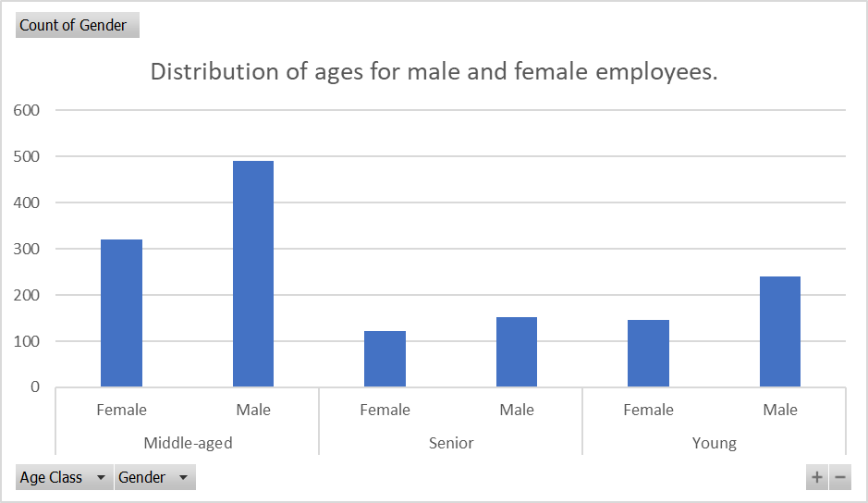
Hypothesis 1: T-Test for Gender-Based Age Distribution |  |  | t-Test: Two-Sample Assuming Unequal Variances

Hypothesis Statement: |  |  |  | Gender Coding | Age
 |  |  | Mean | 0.4 | 36.923809524
H0 (Null Hypothesis): There is no significant difference in age between male and female employees. |  |  | Variance | 0.24016337645 | 83.455048786
H1 (Alternative Hypothesis): There is a significant difference in age between male and female employees. |  |  | Observations | 1470 | 1470
 |  |  | Hypothesized Mean Difference | 0
t-Test: Two-Sample Assuming Equal Variances |  |  | df | 1477
 |  |  | t Stat | -153.0680076
 | PerformanceRating | Age | P(T<=t) one-tail | 0
Mean | 3.1537414966 | 36.923809524 | t Critical one-tail | 1.6458859432
Variance | 0.13019361591 | 83.455048786 | P(T<=t) two-tail | 0
Observations | 1470 | 1470 | t Critical two-tail | 1.9615714208
Pooled Variance | 41.792621201
Hypothesized Mean Difference | 0
df | 2938
t Stat | -141.62039447
P(T<=t) one-tail | 0
t Critical one-tail | 1.6453724332
P(T<=t) two-tail | 0
t Critical two-tail | 1.9607717559

Chi-squared Test
Hypothesis 2: Chi-squared Test
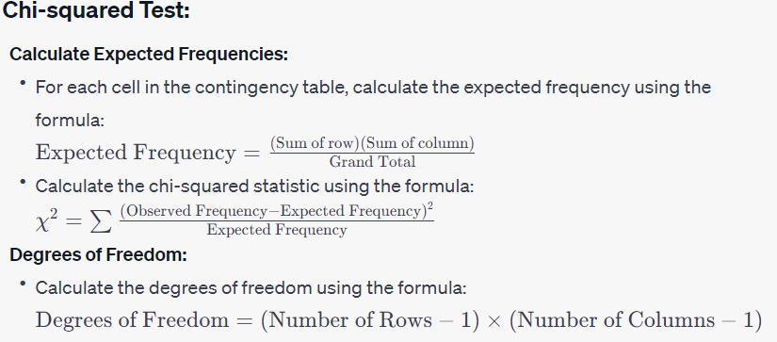
Hypothesis Statement:

H0: There is no significant association between gender and attrition.
H1: There is significant association between gender and attrition.

Observed(O) |  |  |  | Expected ( E)
Gender | No | Yes | Grand Total | Gender | No | Yes | Grand Total
Male | 501 | 87 | 588 | Male | 493.2 | 94.8 | 588
Female | 732 | 150 | 882 | Female | 739.8 | 142.2 | 1470
Grand Total | 1233 | 237 | 1470 | Grand Total | 1233 | 237 | 1470

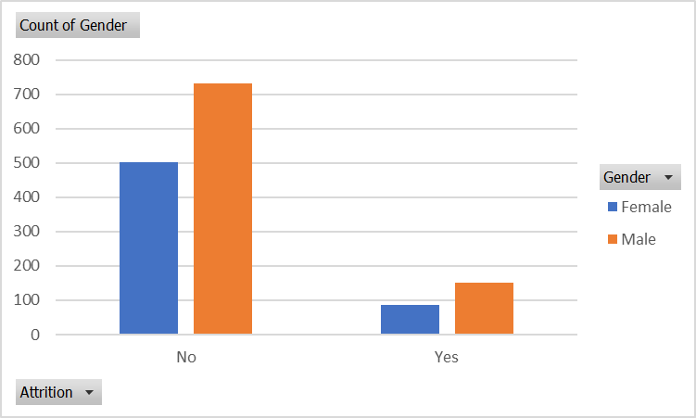
(O-E)^2/E | No | Yes

Male | 0.12335766423 | 0.6417721519
Female | 0.082238442822 | 0.42784810127

X^2 | 1.2752163602
df | 1
p-value | 0.25879037049

ANOVA
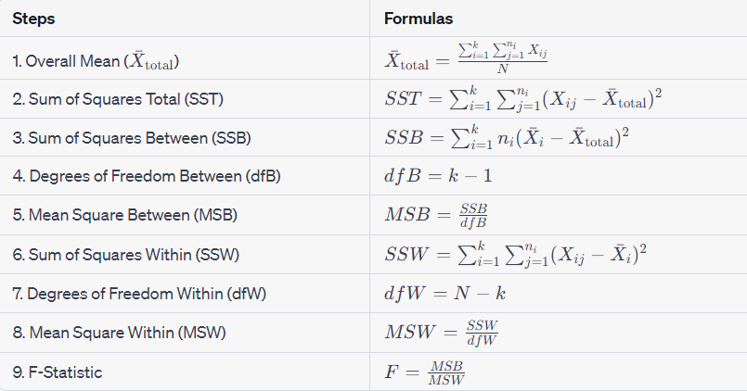
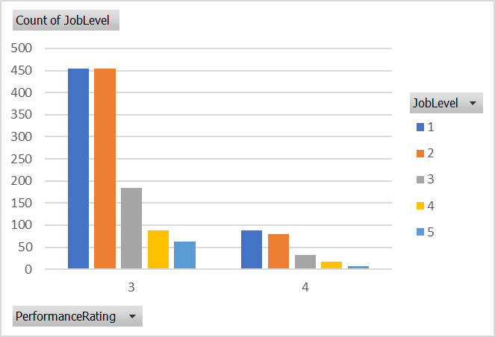
Hypothesis 3: ANOVA for Job Level and Performance Rating

Hypothesis Statement:

H0: There is no significant difference in performance rating across job levels.
H1: There is a significant difference in performance rating across job levels.

 | Anova: Single Factor

 | SUMMARY
 | Groups | Count | Sum | Average | Variance
 | JobLevel | 1470 | 3034 | 2.0639455782 | 1.2253159399
 | PerformanceRating | 1470 | 4636 | 3.1537414966 | 0.13019361591

 | ANOVA
 | Source of Variation | SS | df | MS | F | P-value | F crit
 | Between Groups | 872.92653061 | 1 | 872.92653061 | 1287.9680957 | 3.22E-234 | 3.8446258787
 | Within Groups | 1991.2435374 | 2938 | 0.67775477788

 | Total | 2864.170068 | 2939

Odds Ratio
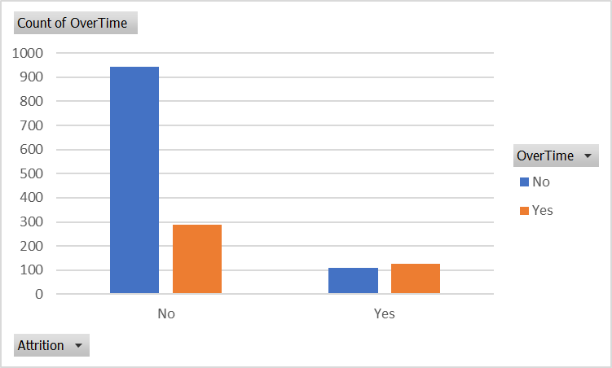
Hypothesis 4: Odds Ratio (OR) Test

Hypothesis Statement:

H0 (Null Hypothesis): There is no significant difference in the odds of attrition between employees with and without overtime.
H1 (Alternative Hypothesis): There is a significant difference in the odds of attrition between employees with and without overtime.

 |  | Attrition | No Attrition | Total
 | Overtime | 127 | 110 | 237
 | No Overtime | 289 | 944 | 1233
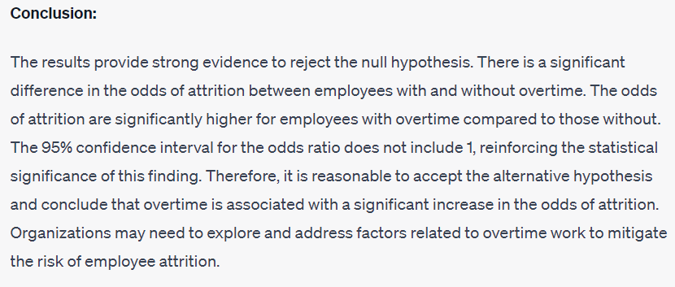
 | Total | 416 | 1054 | 1470

 | Odds | 0.43944636678 | 0.11652542373

 | odd ratio | 3.7712488204
 | Ln(OR) | 1.3274061987
 | Upper 95% CI | 5.0263531206
 | Lower 95% CI | 2.8295500384

Relative Risk
Hypothesis for Relative Risk (RR) Test:

Hypothesis Statement:

H0 (Null Hypothesis): There is no significant difference in the relative risk of unfavorable employee outcomes (e.g., attrition) among different combinations of job role, job satisfaction, and monthly income.
H1 (Alternative Hypothesis): There is a significant difference in the relative risk of unfavorable employee outcomes among different combinations of job role, job satisfaction, and monthly income.

 | Count of Attrition | Column Labels
 | Row Labels | No | Yes | Grand Total
 | 1 | 223 | 66 | 289
 | 2 | 234 | 46 | 280
 | 3 | 369 | 73 | 442
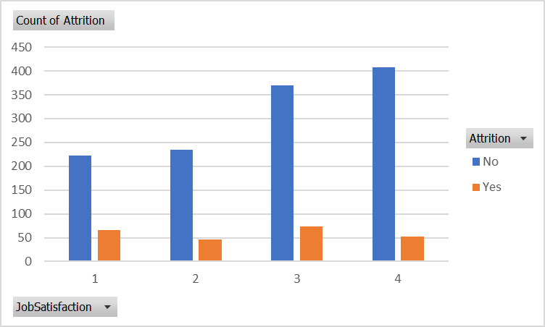
 | 4 | 407 | 52 | 459
 | Grand Total | 1233 | 237 | 1470
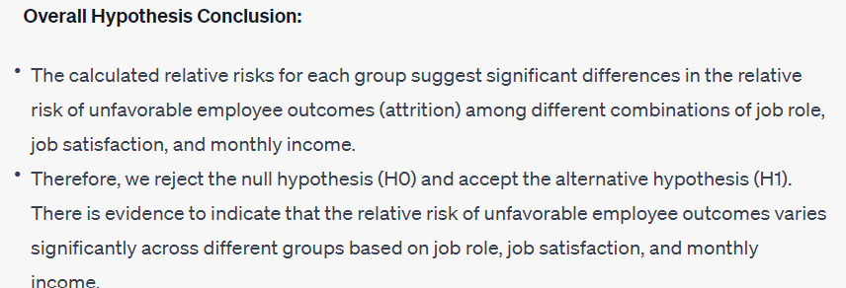

 | Row Labels | Relative Risk

 | Group 1 | 3.3787878788
 | Group 2 | 5.0869565217
 | Group 3 | 5.0547945205
 | Group 4 | 7.8269230769

